Inputs and Transition Matrices
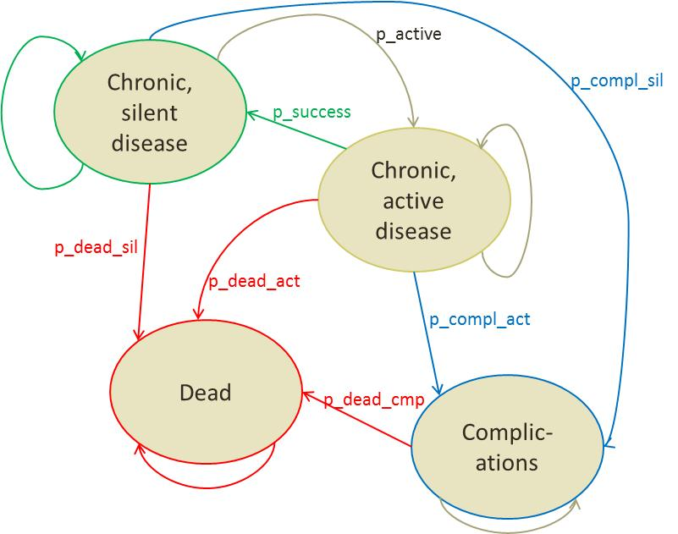
Model Inputs |  |  |  | Transition Matrix: Treatment A |  |  |  |  |  |  |  |  |  |  |  |  |  |  | Transition Matrix: Treatment B
 |  |  |  |  |  |  |  |  |  |  |  |  |  |  |  |  |  |  |  |  | SILENT | ACTIVE | COMPL | DEAD |  |  |  |  |  |  |  |  |  | Without Half Cycle Correction
 |  |  |  |  |  | SILENT | ACTIVE | COMPL | DEAD |  |  |  |  |  |  |  |  |  |  | SILENT
 |  |  |  |  | SILENT | 0.899 | 0.09 | 0.01 | 0.001 |  |  |  |  |  |  |  |  |  |  | ACTIVE
 |  |  |  |  | ACTIVE | 0.2 | 0.659 | 0.14 | 0.001 |  |  |  |  |  |  |  |  |  |  | COMPL |  |  |  |  |  |  |  |  |  |  |  |  |  |  |  | COSTS | OUTCOMES | NET BENEFIT
 |  |  |  |  | COMPL | 0 | 0 | 0.997 | 0.003 |  |  |  |  |  |  |  |  |  |  | DEAD |  |  |  |  |  |  |  |  |  |  |  |  |  |  | Treatment A
 |  |  |  |  | DEAD | 0 | 0 | 0 | 1 |  |  |  |  |  |  |  |  |  |  |  |  |  |  |  |  |  |  |  |  |  |  |  |  |  | Treatment B

 |  |  |  |  |  |  |  |  |  |  |  |  |  |  |  |  |  |  |  |  |  |  |  |  |  |  |  |  |  |  |  |  |  |  | Incremental | $-
 |  |  |  |  |  |  |  |  |  |  |  |  |  |  |  |  |  |  |  |  |  |  |  |  |  |  |  |  |  |  |  |  |  |  |  | for | 0.0 | days

 |  |  |  |  |  |  |  |  |  |  |  |  |  |  |  |  |  |  |  |  |  |  |  |  |  |  |  |  |  |  |  |  |  |  | ICER |  | per healthy day

 |  |  |  | TREATMENT A |  |  |  |  |  |  |  |  |  |  |  |  |  |  | TREATMENT B |  |  |  |  |  |  |  |  |  |  |  |  |  |  | With Half Cycle Correction
 |  |  |  |  |  | PROBABILITIES |  |  |  |  | COSTS |  |  |  | OUTCOMES |  |  |  |  |  | PROBABILITIES |  |  |  |  | COSTS |  |  |  | OUTCOMES
PROBABILITIES | Treatment A | Treatment B |  | YEARS | PERIOD | SILENT | ACTIVE | COMPL | DEAD | discount | SILENT | ACTIVE | COMPL | DEAD | SILENT | ACTIVE | COMPL | DEAD | YEARS | PERIOD | SILENT | ACTIVE | COMPL | DEAD | discount | SILENT | ACTIVE | COMPL | DEAD | SILENT | ACTIVE | COMPL | DEAD
p_active | 0.090 | 0.090 |  | 0.00 | 1 | 0.000 | 1.000 | 0.000 | 0.000 |  |  |  |  |  |  |  |  |  | 0.00 | 1 |  |  |  |  |  |  |  |  |  |  |  |  |  |  |  | COSTS | OUTCOMES | NET BENEFIT
p_success | 0.200 | 0.220 |  | 0.01 | 2 |  |  |  |  |  |  |  |  |  |  |  |  |  | 0.01 | 2 |  |  |  |  |  |  |  |  |  |  |  |  |  |  | Treatment A
p_compl_sil | 0.010 | 0.010 |  | 0.02 | 3 |  |  |  |  |  |  |  |  |  |  |  |  |  | 0.02 | 3 |  |  |  |  |  |  |  |  |  |  |  |  |  |  | Treatment B
p_compl_act | 0.140 | 0.100 |  | 0.03 | 4 |  |  |  |  |  |  |  |  |  |  |  |  |  | 0.03 | 4
p_dead_sil | 0.001 | 0.001 |  | 0.04 | 5 |  |  |  |  |  |  |  |  |  |  |  |  |  | 0.04 | 5
p_dead_act | 0.001 | 0.001 |  | 0.05 | 6 |  |  |  |  |  |  |  |  |  |  |  |  |  | 0.05 | 6 |  |  |  |  |  |  |  |  |  |  |  |  |  |  | Incremental | $-
p_dead_cmp | 0.003 | 0.003 |  | 0.06 | 7 |  |  |  |  |  |  |  |  |  |  |  |  |  | 0.06 | 7 |  |  |  |  |  |  |  |  |  |  |  |  |  |  |  | for | 0.0 | days
 |  |  |  | 0.07 | 8 |  |  |  |  |  |  |  |  |  |  |  |  |  | 0.07 | 8
COSTS | Treatment A | Treatment B |  | 0.08 | 9 |  |  |  |  |  |  |  |  |  |  |  |  |  | 0.08 | 9 |  |  |  |  |  |  |  |  |  |  |  |  |  |  | ICER |  | per healthy day
SILENT |  |  |  | 0.09 | 10 |  |  |  |  |  |  |  |  |  |  |  |  |  | 0.09 | 10
ACTIVE |  |  |  | 0.10 | 11 |  |  |  |  |  |  |  |  |  |  |  |  |  | 0.10 | 11
COMPL |  |  |  | 0.11 | 12 |  |  |  |  |  |  |  |  |  |  |  |  |  | 0.11 | 12
DEAD |  |  |  | 1.00 | 13 |  |  |  |  |  |  |  |  |  |  |  |  |  | 1.00 | 13
 |  |  |  | 1.01 | 14 |  |  |  |  |  |  |  |  |  |  |  |  |  | 1.01 | 14
UTILITIES | Value per month (converted) | Value per year (reference) |  | 1.02 | 15 |  |  |  |  |  |  |  |  |  |  |  |  |  | 1.02 | 15
SILENT | 0.07 | 0.82 |  | 1.03 | 16 |  |  |  |  |  |  |  |  |  |  |  |  |  | 1.03 | 16
ACTIVE | 0.05 | 0.65 |  | 1.04 | 17 |  |  |  |  |  |  |  |  |  |  |  |  |  | 1.04 | 17
COMPL | -0.01 | -0.14 |  | 1.05 | 18 |  |  |  |  |  |  |  |  |  |  |  |  |  | 1.05 | 18
DEAD | 0.00 | 0.00 |  | 1.06 | 19 |  |  |  |  |  |  |  |  |  |  |  |  |  | 1.06 | 19
 |  |  |  | 1.07 | 20 |  |  |  |  |  |  |  |  |  |  |  |  |  | 1.07 | 20
Other parameters | Values |  |  | 1.08 | 21 |  |  |  |  |  |  |  |  |  |  |  |  |  | 1.08 | 21
discount rate | 3.50% |  |  | 1.09 | 22 |  |  |  |  |  |  |  |  |  |  |  |  |  | 1.09 | 22
value per QALY | $30,000 |  |  | 1.10 | 23 |  |  |  |  |  |  |  |  |  |  |  |  |  | 1.10 | 23
default value per QALY | $30,000 |  |  | 1.11 | 24 |  |  |  |  |  |  |  |  |  |  |  |  |  | 1.11 | 24
 |  |  |  | 2.00 | 25 |  |  |  |  |  |  |  |  |  |  |  |  |  | 2.00 | 25
 |  |  |  | 2.01 | 26 |  |  |  |  |  |  |  |  |  |  |  |  |  | 2.01 | 26
 |  |  |  | 2.02 | 27 |  |  |  |  |  |  |  |  |  |  |  |  |  | 2.02 | 27
 |  |  |  | 2.03 | 28 |  |  |  |  |  |  |  |  |  |  |  |  |  | 2.03 | 28
 |  |  |  | 2.04 | 29 |  |  |  |  |  |  |  |  |  |  |  |  |  | 2.04 | 29
 |  |  |  | 2.05 | 30 |  |  |  |  |  |  |  |  |  |  |  |  |  | 2.05 | 30
 |  |  |  | 2.06 | 31 |  |  |  |  |  |  |  |  |  |  |  |  |  | 2.06 | 31
 |  |  |  | 2.07 | 32 |  |  |  |  |  |  |  |  |  |  |  |  |  | 2.07 | 32
 |  |  |  | 2.08 | 33 |  |  |  |  |  |  |  |  |  |  |  |  |  | 2.08 | 33
 |  |  |  | 2.09 | 34 |  |  |  |  |  |  |  |  |  |  |  |  |  | 2.09 | 34
 |  |  |  | 2.10 | 35 |  |  |  |  |  |  |  |  |  |  |  |  |  | 2.10 | 35
 |  |  |  | 2.11 | 36 |  |  |  |  |  |  |  |  |  |  |  |  |  | 2.11 | 36
 |  |  |  | 3.00 | 37 |  |  |  |  |  |  |  |  |  |  |  |  |  | 3.00 | 37
 |  |  |  | 3.01 | 38 |  |  |  |  |  |  |  |  |  |  |  |  |  | 3.01 | 38
 |  |  |  | 3.02 | 39 |  |  |  |  |  |  |  |  |  |  |  |  |  | 3.02 | 39
 |  |  |  | 3.03 | 40 |  |  |  |  |  |  |  |  |  |  |  |  |  | 3.03 | 40
 |  |  |  | 3.04 | 41 |  |  |  |  |  |  |  |  |  |  |  |  |  | 3.04 | 41
 |  |  |  | 3.05 | 42 |  |  |  |  |  |  |  |  |  |  |  |  |  | 3.05 | 42
 |  |  |  | 3.06 | 43 |  |  |  |  |  |  |  |  |  |  |  |  |  | 3.06 | 43
 |  |  |  | 3.07 | 44 |  |  |  |  |  |  |  |  |  |  |  |  |  | 3.07 | 44
 |  |  |  | 3.08 | 45 |  |  |  |  |  |  |  |  |  |  |  |  |  | 3.08 | 45
 |  |  |  | 3.09 | 46 |  |  |  |  |  |  |  |  |  |  |  |  |  | 3.09 | 46
 |  |  |  | 3.10 | 47 |  |  |  |  |  |  |  |  |  |  |  |  |  | 3.10 | 47
 |  |  |  | 3.11 | 48 |  |  |  |  |  |  |  |  |  |  |  |  |  | 3.11 | 48
 |  |  |  | 4.00 | 49 |  |  |  |  |  |  |  |  |  |  |  |  |  | 4.00 | 49
 |  |  |  | 4.01 | 50 |  |  |  |  |  |  |  |  |  |  |  |  |  | 4.01 | 50
 |  |  |  | 4.02 | 51 |  |  |  |  |  |  |  |  |  |  |  |  |  | 4.02 | 51
 |  |  |  | 4.03 | 52 |  |  |  |  |  |  |  |  |  |  |  |  |  | 4.03 | 52
 |  |  |  | 4.04 | 53 |  |  |  |  |  |  |  |  |  |  |  |  |  | 4.04 | 53
 |  |  |  | 4.05 | 54 |  |  |  |  |  |  |  |  |  |  |  |  |  | 4.05 | 54
 |  |  |  | 4.06 | 55 |  |  |  |  |  |  |  |  |  |  |  |  |  | 4.06 | 55
 |  |  |  | 4.07 | 56 |  |  |  |  |  |  |  |  |  |  |  |  |  | 4.07 | 56
 |  |  |  | 4.08 | 57 |  |  |  |  |  |  |  |  |  |  |  |  |  | 4.08 | 57
 |  |  |  | 4.09 | 58 |  |  |  |  |  |  |  |  |  |  |  |  |  | 4.09 | 58
 |  |  |  | 4.10 | 59 |  |  |  |  |  |  |  |  |  |  |  |  |  | 4.10 | 59
 |  |  |  | 4.11 | 60 |  |  |  |  |  |  |  |  |  |  |  |  |  | 4.11 | 60

 |  |  |  |  |  |  |  |  |  |  |  |  |  |  |  |  |  |  |  |  |  |  |  |  |  | SILENT | ACTIVE | COMPL | DEAD | SILENT | ACTIVE | COMPL | DEAD
 |  |  | NO CORRECTION | TOTALS |  |  |  |  |  |  |  |  |  |  |  |  |  |  | TOTALS

 |  |  |  |  |  |  |  |  |  |  |  |  | TOTAL COST |  |  |  | TOTAL OUTCOME |  |  |  |  |  |  |  |  |  |  | TOTAL COST |  |  |  | TOTAL OUTCOME

 |  |  |  |  |  |  |  |  |  |  | SILENT | ACTIVE | COMPL | DEAD | SILENT | ACTIVE | COMPL | DEAD |  |  |  |  |  |  |  | SILENT | ACTIVE | COMPL | DEAD | SILENT | ACTIVE | COMPL | DEAD
 |  |  | HALF CYCLE CORRECTION | TOTALS |  |  |  |  |  |  |  |  |  |  |  |  |  |  | TOTALS

 |  |  |  |  |  |  |  |  |  |  |  |  | TOTAL COST |  |  |  | TOTAL OUTCOME |  |  |  |  |  |  |  |  |  |  | TOTAL COST |  |  |  | TOTAL OUTCOME

